Prob. 2
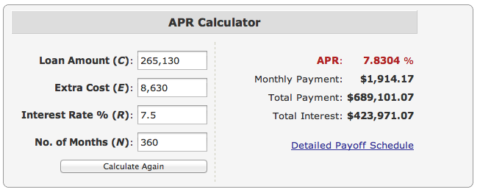
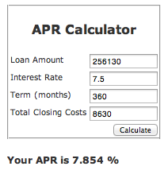
2. A house is to be purchased for $270,000 with a 5 percent down payment, thereby financing $256,500 with a home loan and mortgage. There are 2 points assessed, and there are additional closing charges of $3,500, with both points and additional charges being included in the loan. A conventional 30-year loan is used at 7.5 percent, resulting in monthly payments of $1,853.83. Which of the following statements is false?
(a) The loan will be figured on a total of $265,130 borrowed.
(b) There can (unfortunately) be multiple methods of computing the APR (annual percentage rate) on such a loan, yielding (usually slightly) different answers.
(c) The effective interest rate will exceed 7.5 percent.
(d) The APR will be less than 7.5 percent.
You must show your work and explain your calculations.

Purchase Price | Down Payment | Adjusted Price | Points+ Closing Costs | Amount Financed | Interest Rate | Monthly Payment
$270,000.00 | $13,500.00 | $256,500.00 | $8,630.00 | $265,130.00 | 7.50% | $1,853.83

(a) is true (see cell C9)
(b) is true (see page 125 of the textbook)
(c) is true since there are closing costs, etc. factored into the loan and the interest is compounded monthly.
(d) The APR can be calculated as: |  |  | 7.50%
 | No. of Periods: | 360
 | Payment: | -$1,853.83
 | Amount Owed: | $265,130.00
 | End of Loan Balance: | 0
 | APR (with points): | 7.50% | Note that Excel differs from efunda :(
 | APR (without points): | 7.84%

So (d) is false.

Prob. 3
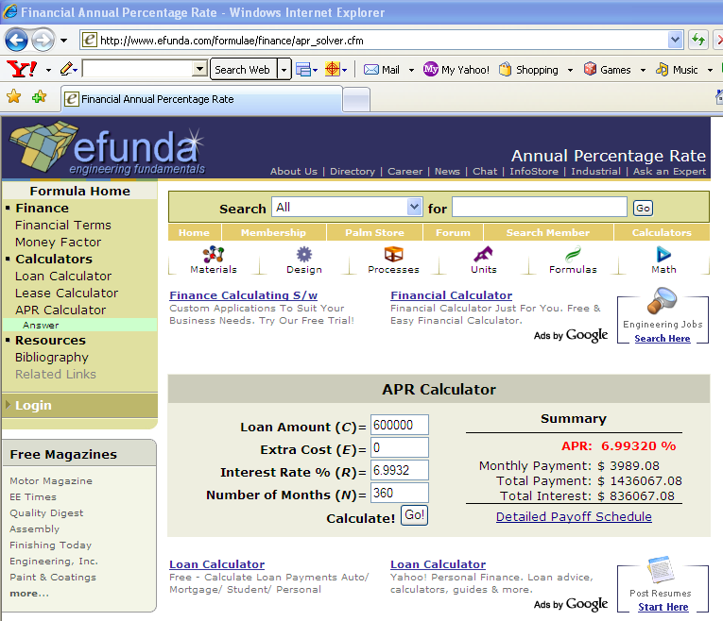
3. (PROBLEM 3.15 from the textbook)

 | P= | $600,000.00
 | r= | 6.9932% | NOMINAL ANNUAL
 | n= | 360 | MONTHS
 | m= | 12 | MONTHS PER YEAR

a | A= | $3,989.08 | USING ELECTRONIC INTEREST TABLES THIS IS
 |  |  | =$600,000*(A|P 6.9932%/12,360)
 | A= | $3,989.08 | USING EXCEL'S PMT FUNCTION THIS IS
 |  |  | =PMT(6.9932%/12,360,-600000)

 | SEE WEB-BASED CALCULATIONS 1 AND 2 BELOW

b | FIND PRESENT WORTH OF FINAL 240 PAYMENTS

 | P(240)= | $514,791.93 | USING ELECTRONIC INTEREST TABLES THIS IS
 |  |  | =$3,988.08*(P|A 6.9932%/12,240)
 | P(240)= | $514,791.91 | USING EXCEL'S PMT FUNCTION THIS IS
 |  |  | =PV(6.9932%/12,240,-3989.08)

c | EFFECTIVE RATE | 7.2218% | =EFFECT(6.9932%,12)

 | EFFECTIVE RATE | 7.2218% | =(1+RATE(360,-3989.08,600000))^12-1

d | RECALL, THERE ARE NO POINTS AND NO CLOSING COSTS

 | A= | $3,989.08

 | APR= | 6.9932% | =RATE(360,-3989.08,600000)*12

 | SEE WEB-BASED CALCULATIONS 1 AND 2 BELOW

WEB-BASED CALCULATION 1:

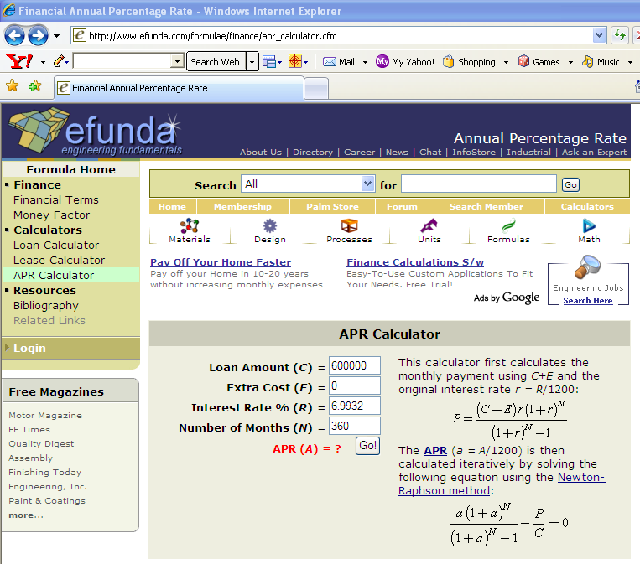

WEB-BASED CALCULATION 2:

