Sheet1
John decides to take out a loan for $10,000 for school at an annual interest rate of 10%.
He agrees to make four equal payments, but will defer these payments for four years while in school
Starting at the end of the 5th year, he makes four equal annual payments (years 5, 6, 7 and 8).
At the end of the 8th year, the loan is paid off.

A) Cash Flow
EOY | Currently Owes | Interest Accrued | Interest + Loan | Payment | Total Owed
0 | 10000 | 0 | 10000 | 0 | 10000
1 | 10000 | 0.1 | 11000 | 0 | 11000
2 | 11000 | 0.1 | 12100 | 0 | 12100
3 | 12100 | 0.1 | 13310 | 0 | 13310
4 | 13310 | 0.1 | 14641 | 0 | 14641 | <= | Same as FV function
5 | 14641 | 0.1 | 16105.1 | $4,618.81 | $11,486.29 |  | $14,641.00
6 | $11,486.29 | 0.1 | 12634.921159 | $4,618.81 | $8,016.11
7 | $8,016.11 | 0.1 | 8817.7244344 | $4,618.81 | $4,198.92
8 | 4198.92 | 0.1 | 4618.812 | $4,618.81 | $0.00

For the diagram I determined the initial value of the deferred payment in order to double check my calculations when I got to year 4
From there I used my calculator and divided the total loan of $14,641 by 4 and that gave me 3660.25. I initially plugged that into my payment row,
but it proved to be too little. Using guess and check, I raised the payment value and the table corrected itself until I finally I got the correct answer of 4618.81

I conferred my answer with efunda which gave me a similar amount of payment, which is how I knew to guess around 4600
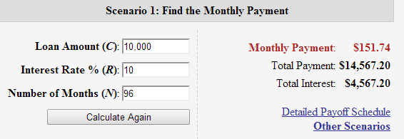

B) Monthly Payments

From the first exam I used the PMT function, but I put the wrong values in

$2,552.30 | <= PMT(10%/12,4,-10000) This is worng because the initial pv is actually -14,641 because of deferrment
 |  | and the payments were not monthly so there's no reason to divide the rate by 12

Using the correct numbers in the function:
$4,618.81 | <= PMT(0.1, 4, -14641) which is the same as the payment I used in the cash flow diagram

C) Present and Future Worth

I will use the equation for present value PV= A*[(1+i)^n-1/ i(1+i)^n] |  |  |  | Where A is the annual payment of 4618.81

 | PV= 4618.81*[(1+0.1)^4-1/ 0.1(1+0.1)^4] = |  | 14,641.00

And this is verfied with PV function:
 | $14,641.01 | <= PV(0.1, 4, -4618.81)

Future worth I will use another equation: F= A*[(1+i)^n-1]/i

 | F= 4618.81*[(1+0.1)^4-1]/0.1 = |  | $21,435.89

Verifying with FV function

 | $21,435.90 | <= FV(0.1, 4, -4681.81)

D) Compounding Interest twice a year

Because the interest are now accruing twice a year the amount owed will increase.
I used the formula from the book to find the new amount of payment now with the new compounding frequency:

r= (1+ (R/100)/12)^6)-1 where R is the interest rate, and the exponential of 6/12 is because it compounds every 6 months

r= (1+ (10%/12)^6)-1 = 0.10426 |  | <= this is the new interest rate

Now plugging this into the payment formula from the book:

P= (Cr(1+r)^n)/(1+r)^n-1 = (14641*r)(1+r)^4 / (1+r)^4 -1 |  |  | $4,661.47

Comparing to the efunda calculation:

Sheet2
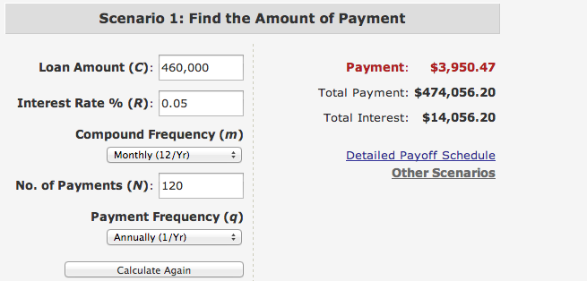
Purchase a house for $500,000 with 10% down (that means 500,000-50,000 = $450,000 going to be owed)
Additional $10,000 at closing (that means payed at total of 50,000+10,000 = $60,000)
10 year loan (120 months) and 5% interest compounded monthly

A) The monthly payment

My mistake in the first exam was I sued the wrong percentage (0.5 instead of 0.05)
Using the PMT function:

$4,879.01 | <= PMT(0.05/12, 120, (-450,000-10,000))

To verify, I will use the payment equation in the book again to calculated the monthly payment
P= Cr(1+r)^n / (1+r)^n-1

C= 450,000 | n=120
r= 0.05/12

P= 450,000*0.05(1+0.05)^120 / (1+0.05)^120-1
P= $4,772.95 |  | which is similar to the function answer

B) How much paid in interest?

My answer in the first exam I used the IPMT function incorrectly however you suggested using the PMT function on 10K

$106.07 | <= PMT(0.05/12, 120, -10000) |  |  | so this is the monthly payment just from the closing cost

I decided to determine the interest payment using the formula in the book:

A= P(1+r)^n | Where A is the payment, P=-450000 r=0.05/12 and n=10

A= -450000(1+0.05/12)^10 = $469,105.50 this is the total cost of the loan

Subtract that from original loan value:
$469,105.50-$450,000 = |  | 19105.49

I can use the ISPMT function to get the a similar result:
1916.6666667 | <= ISPMT(0.05/12,,120,-460000) |  |  | This is the ISPMT function just for the first period so multiply that by 10 to get interest paid for total loan:
19166.666667 | Which is very similar to my first answer

C) Effective Annual Interest Rate

From the interest tables where i_eff is based on the frequency of the compounding (in this case monthly)

i_eff = 5.116% which is more than 5% as you mentioned in your comments

To verfiy I tried using the EFF function again,

0.051161897882 | <= EFFECT( | 5%,12) | which is the same as what I found in the tables

Furthermore I will use the i_eff equation found in the book:
r=(1+(i/n)^n-1) I used this equation and the EFF function incorrectly because I was dividing the rate by 12 and then again by 12 mistakingly

r=(1+(0.05/12)^12-1) = |  | 0.051161898 | Which is once again the same result

D) Overall Cost

Overall cost should include the down payment, the interest payment, and the monthly payments. Including the cost of the loan in 10 years…

Down Payment: $10,000
Monthly Payments of $4,879.01 for 10 years
Interest Payment after of 1919.67 10 years is $19,196.70

I will try using a the PV function to determine how much will be payed overall and compare it to efunda calculation

$352,138.13 | <= PV(0.05, 120, -(4879.01+1919.67)-10000,, 10 |  |  |  | I put into the function the cost of the interest and monthly payments and asked for the value in the 10th year

