3.18
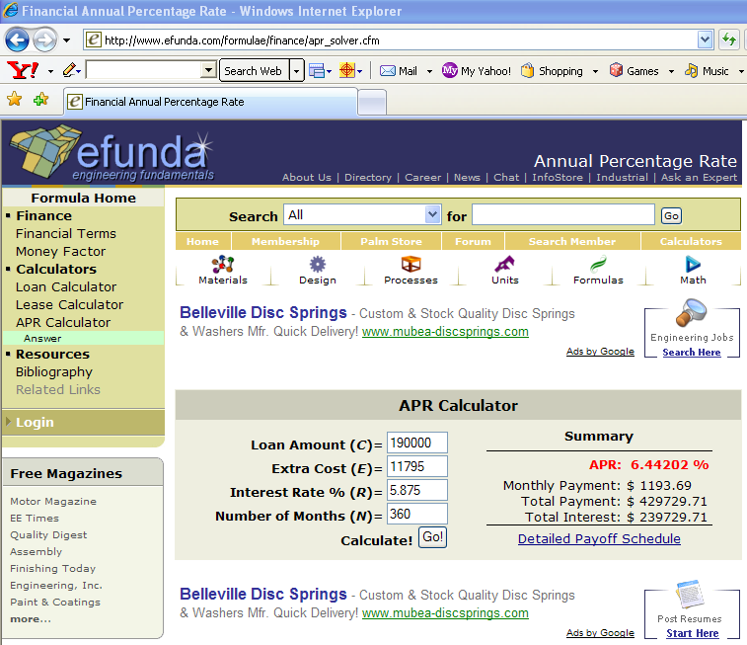
PROBLEM 3.18

 | P= | $190,000.00
 | r= | 5.8750% | NOMINAL ANNUAL
 | n= | 360 | MONTHS
 | m= | 12 | MONTHS / YEAR
 | c0= | $6,570.00
 | p1= | 2.7500% | $5,225.00 | =190000*2.7500%
 | p2= | 0%

a | A W/O POINTS=
 | A= | $1,123.92 | USING ELECTRONIC INTEREST TABLES THIS IS
 |  |  | =$190,000*(A|P 5.8750%/12,360)
 | A= | $1,123.92 | USING EXCEL'S PMT FUNCTION THIS IS
 |  |  | =PMT(5.875%/12,360,-190000)

 | SEE WEB-BASED CALCULATIONS 1 AND 2 BELOW

b | A W/ POINTS=
 |  | $1,193.69 | USING ELECTRONIC INTEREST TABLES THIS IS
 |  |  | =($190,000+$6,570+$5,225)*(A|P 5.8750%/12,360)
 |  | $1,193.69 | USING EXCEL'S PMT FUNCTION THIS IS
 |  |  | =PMT(5.875%/12,360,-(190000+6570+5225))

 | SEE WEB-BASED CALCULATIONS 1, 2, 3 AND 4 BELOW

c | FIND PRESENT WORTH OF FINAL 300 PAYMENTS
 | P(300)= | $187,486.62 | USING ELECTRONIC INTEREST TABLES THIS IS
 |  |  | =$1,193.69*(P|A 5.8750%/12,300)
 | P(300)= | $187,486.61 | USING EXCEL'S PMT FUNCTION THIS IS
 |  |  | =PV(5.875%/12,300,-1193.69)

d | EFFECTIVE RATE | 6.6357% | =(1+RATE(360,-PMT(5.875%/12,360,-(190000+6570+5225)),190000))^12-1

 | EFFECTIVE RATE | 6.6357% | =(1+RATE(360,-1193.69,190000))^12-1

 | EFFECTIVE RATE | 6.6357% | =(1+6.44202%/12)^12-1

e | RECALL, THERE ARE POINTS AND OTHER CLOSING COSTS
 | FOR THE FOLLOWING APR CALCULATION, SEE EXAMPLE 3.6

 | APR (ADD)= | 6.44202% | =RATE(360,PMT(5.875%/12,360,190000+6570+5225),190000)*12

 | SEE WEB-BASED CALCULATIONS 3 AND 4 BELOW

WEB-BASED CALCULATION 1:

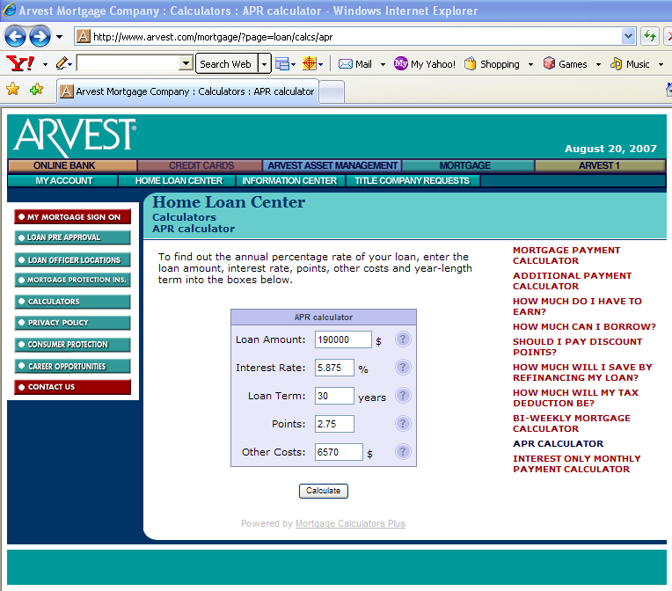

WEB-BASED CALCULATION 2:
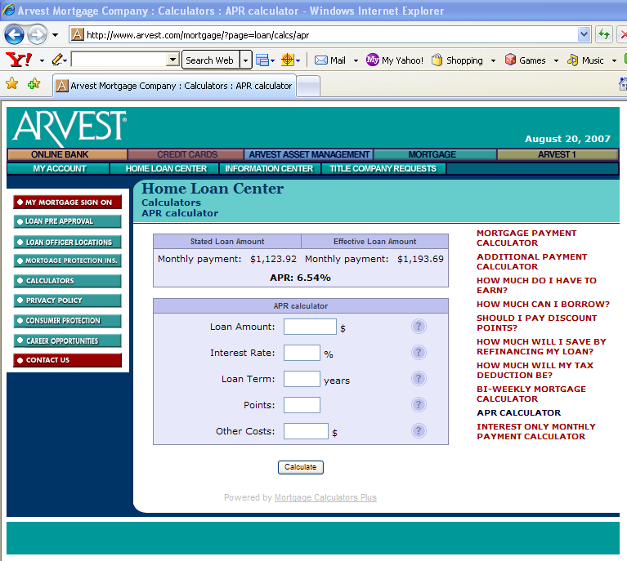

WEB-BASED CALCULATION 3:

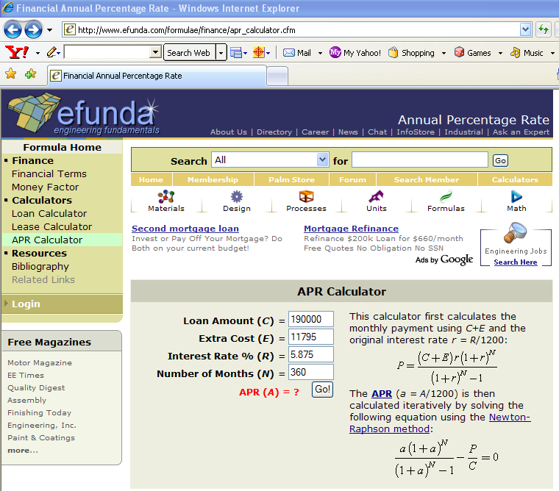

WEB-BASED CALCULATION 4:

